Workflow
Application Workflow
*Note: Visual representation of the application workflow
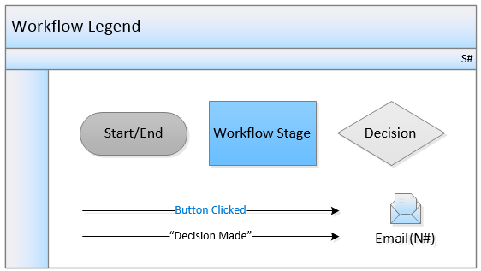

MOC Workflow

Stage # | Stage Name | Record Status | Stage Owner | Due Date | Workflow Buttons | Workflow Path | Email Template # | Comments | Impala Notes
1 | Initiation | Initiation | Created By (Field) | N/A | Submit | If 'Emergency Change' = Yes, then transition to 'Approval' stage Else transition to 'Evaluation, Design & Analysis' stage | N01 / N11 | Recipient(s): Change Requester, MOC Coordinator (Role) N11 to Terminal Manager + Regional HSEC if Emergency = Yes. Prior to submit: Change Description, Type of Change, Grade of Change, Reason for Change & Technical Basis mandatory; Emergency Justification if Emergency = Yes; Change Expiry if Temporary = Yes. | M - Impala proposal (internal pre-design 20-Oct-2026, 'MOC Proposal.xlsx'). 6 stages instead of 7. Replacement in Kind path ON HOLD: may be re-used as the 'Simplified MOC' route [TBC]. The diagram above shows the OOTB workflow and must be redrawn by Intelex.
2 | Evaluation, Design & Analysis | Evaluation, Design & Analysis | MOC Coordinator (Role) | N/A (project dependent - 21-Oct) | Submit | Transition to 'Approval' stage | N01 | Recipient(s): Change Requester Replaces OOTB Pre-Approval, Evaluation and Design & Analysis stages. Prior to transitioning: all screening questions and stage questions answered, design documents attached, and tasks whose 'Complete before stage' = Approval closed (tasks due later stay open). | Stage due date = SLA for escalations; values to be confirmed by Impala.
 |  |  |  |  | Roll Back | Transition back to 'Initiation' stage | N02 | Recipient(s): Change Requester
 |  |  |  |  | Cancel |  | N03 | Recipient(s): Change Requester
3 | Approval | Approval | MOC Coordinator (Role) | 7 days from stage entry (21-Oct) | Submit | Transition to 'Implementation' stage | N01 / N08 | Recipient(s): Change Requester Approvals auto-generated on stage entry by Grade of Change: - Minor: Local = functional review (Operations / Maintenance) + Terminal Manager final sign-off - Moderate: Local > Regional HSEC + Regional Operations - Major: Local > Regional > Global HSEC + Global Operations (confirmed 21-Oct) Approvals are SEQUENTIAL and AUTOMATIC: when the TM approves, the next level is added and triggered by the system (Intelex to confirm solution). The single main approval happens here, before construction/activity starts. Ad hoc approvers can be added by the MOC Coordinator. Prior to transitioning: at least one approval exists and all approvals are closed (accepted). Roll Back = return for revision, closed approvals are kept; a formal rejection resets the chain (BRD FR-B3-035) [Intelex to confirm]. | Scope: SOW = 'Moderate configuration' (minor modifications to workflow stages). Sequential approvals may need logic: Intelex to confirm approach/effort before design sign-off.
 |  |  |  |  | Roll Back | If 'Emergency Change' = Yes, then transition back to 'Initiation' stage Else transition back to 'Evaluation, Design & Analysis' stage | N02 | Recipient(s): Change Requester
 |  |  |  |  | Cancel |  | N03 | Recipient(s): Change Requester
4 | Implementation | Implementation | MOC Coordinator (Role) | N/A | Submit | Transition to 'Start Up' stage | N01 | Recipient(s): Change Requester Prior to transitioning: tasks with 'Complete before stage' = Start Up (pre-startup actions, PSSR) closed; Implementation questions answered. Post-startup tasks (e.g. P&ID update) stay open until Follow Up (BRD FR-B3-028 / FR-B3-032). Optional local pre-startup approval [TBC] - main approval already given.
 |  |  |  |  | Roll Back | Transition back to 'Approval' stage | N02 | Recipient(s): Change Requester
 |  |  |  |  | Cancel |  | N03 | Recipient(s): Change Requester
5 | Start Up | Start Up | MOC Coordinator (Role) | N/A | Submit | Transition to 'Follow Up' stage | N01 | Recipient(s): Change Requester Prior to transitioning to next stage, all tasks (incl. PSSR) have to be completed.
 |  |  |  |  | Roll Back | Transition back to 'Implementation' stage | N02 | Recipient(s): Change Requester
 |  |  |  |  | Cancel |  | N03 | Recipient(s): Change Requester
6 | Follow Up | Follow Up | MOC Coordinator (Role) | N/A | Close |  | N04 | Recipient(s): Change Requester Prior to closing: - All tasks and approvals have to be completed. - If 'Temporary Change' = Yes, then 'Has Temporary Change been scheduled for permanent MOC?' must be 'Yes' (or temporary change removed). - If 'Emergency Change' = Yes: all screening questions answered and tasks closed (retrospective regularisation, BRD RULE-B3-14). - Post-MoC verification fields completed (field check, communication, downstream impacts).
 |  |  |  |  | Roll Back | Transition back to 'Start Up' stage | N02 | Recipient(s): Change Requester
 |  |  |  |  | Cancel |  | N03 | Recipient(s): Change Requester

MOC Task Workflow

Stage # | Stage Name | Record Status | Stage Owner | Due Date | Workflow Buttons | Workflow Path | Email Template # | Comments
1 | Draft | Draft | Created By (Field) | N/A | Submit Task | Transition to 'In Progress' stage | N05 | Recipient(s) : Person Responsible Prior to transitioning to next stage, 'Target Date' must be on or after Today
2 | In Progress | In Progress | Person Responsible (Field) | Target Date | Reject Task | Transition back to 'Draft' stage | N06 | Recipient(s) : Creator Prior to transitioning to previous stage, 'Rejection Date' must be on or before Today
 |  |  |  |  | Close Task |  | N07 | Recipient(s) : Creator Prior to closing, 'Completion Date' must be on or before Today

MOC Approval Workflow

Stage # | Stage Name | Record Status | Stage Owner | Due Date | Workflow Buttons | Workflow Path | Email Template # | Comments
1 | Draft | Draft | Created By (Field) | N/A | Submit Approval Task | Transition to 'In Progress' stage | N08 | Recipient(s) : Person Responsible Prior to transitioning to next stage, 'Target Date' must be on or after Today | Approval tasks used for Local / Regional / Global approvals (see MOC 'Approval' stage). Draft > In Progress > Closed kept as OOTB.
2 | In Progress | In Progress | Role/Person Responsible (Field) | Target Date | Reject Approval Task | Transition back to 'Draft' stage | N09 | Recipient(s) : Creator Prior to transitioning to previous stage, 'Accept Approval Task' must be 'No'
 |  |  |  |  | Close Approval Task |  | N10 | Recipient(s) : Creator Prior to closing: -'Accept Approval Task' must be 'Yes' -'Completion Date' must be on or before Today

Object Model
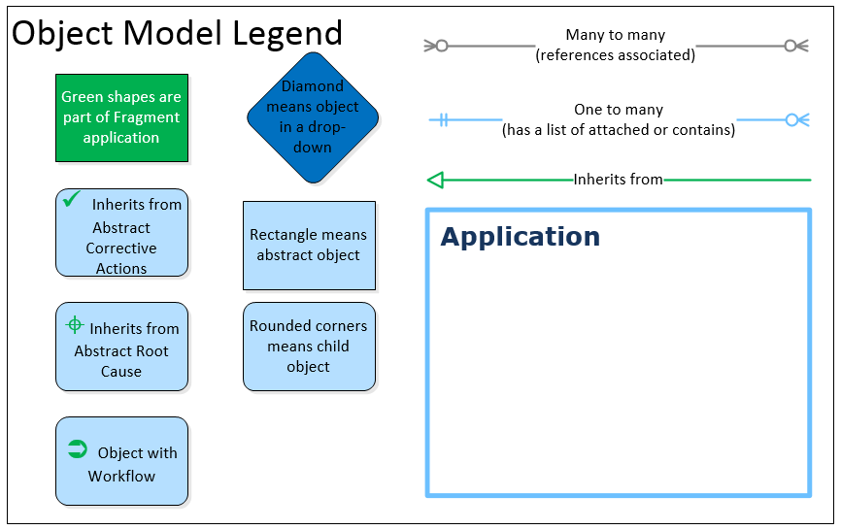
Object Model
*Note: Visual representation of the data tables that make up the application

Object Name | Location Bound | Base Object | Parent | Hierarchies | Record Creation any Location | Soft Delete | Localizable | Private Doc | Doc Control | Messages | Merge Template | Quick Task | Impala Notes
Change Communication Task | No | N | MOC Task | N | N | N | N | N | N | N | N | N
Checklist Task | No | N | MOC Task | N | N | N | N | N | N | N | N | N
Documentation Task | No | N | MOC Task | N | N | N | N | N | N | N | N | N
Engineering Approval | No | N | MOC Approval | N | N | N | N | N | N | N | N | N | Keep as functional approval (21-Oct). See decision 'Approval types list'.
Environmental Approval | No | N | MOC Approval | N | N | N | N | N | N | N | N | N | Keep as functional approval (21-Oct).
Financial Approval | No | N | MOC Approval | N | N | N | N | N | N | N | N | N | [TBC] re-use for a missing type (e.g. Operations / Maintenance / level approval) - Intelex to propose.
Impact/Hazard Assessment Task | No | N | MOC Task | N | N | N | N | N | N | N | N | N
MOC | Active location and below | N |  | N | N | N | N | N | N | N | N | N | M - add 1:M relation MOC > Action Plan (actions arising, traceable to MOC No.) [Intelex to confirm]
MOC Approval | Active location and below | Y |  | N | N | N | N | N | N | N | N | N
MOC Approval Setup | No | N |  | N | N | N | N | N | N | N | N | N
MOC Category | No | N |  | N | N | N | N | N | N | N | N | N | M - caption: 'Type of Change'. Data = 8 types (Lookup Values L08).
MOC Screening Question | No | N |  | N | N | N | N | N | N | N | N | N
MOC Screening Question Setup | No | N |  | N | N | N | N | N | N | N | N | N
MOC Task | No | Y | Abstract Corrective Action | N | N | N | N | N | N | N | N | N
MOC Task Setup | No | N |  | N | N | N | N | N | N | N | N | N
MOC Workflow | No | N |  | N | N | N | N | N | N | N | N | N
Process Task | No | N | MOC Task | N | N | N | N | N | N | N | N | N
PSSR Task | No | N | MOC Task | N | N | N | N | N | N | N | N | N
Risk Management Approval | No | N | MOC Approval | N | N | N | N | N | N | N | N | N | [TBC] re-use for a missing type - Intelex to propose.
Safety Approval | No | N | MOC Approval | N | N | N | N | N | N | N | N | N | Keep as functional approval (21-Oct).
Start Up Approval | No | N | MOC Approval | N | N | N | N | N | N | N | N | N | [TBC] re-use for a missing type - Intelex to propose.
Tag | No | N |  | N | N | N | N | N | N | N | N | N
Training Task | No | N | MOC Task | N | N | N | N | N | N | N | N | N
Workflow Stage | No | N |  | N | N | N | N | N | N | N | N | N
Total | 24

